Power Roof


JOB ORDER
JOB ORDER# | : |  | AFBM-JO2600069 |  |  |  |  |  |  |  |  |  |  | Date |  | : |  | 2026-07-06
 |  | __________________________________________ |  |  |  |  |  |  |  |  |  |  |  |  |  |  | _________________________________
Project | : |  |  |  | 2 |  | pcs. |  | 42 |  | " Ø |  | PRV |  | ( |  | Standard |  | )
 |  | _________________________________________________________________________________________
Target Date: |  | 2026-07-12 |  |  |  |  |  | Date Started: |  |  |  |  |  |  |  |  | Date Finished:
 | ____________________ |  |  |  |  |  |  |  |  |  | ____________________ |  |  |  |  |  |  |  |  | ____________________

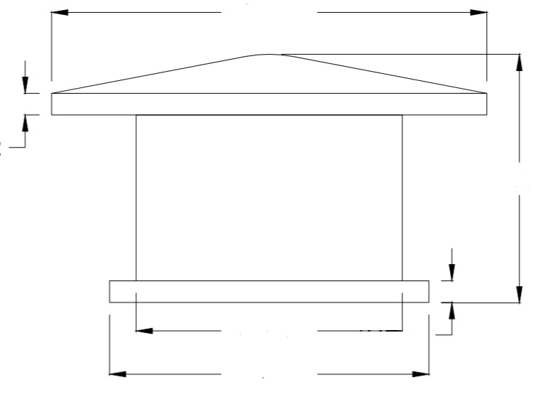
PRODUCTION LEAD TIME |  |  |  |  | Body |  | 8 |  | days |  | Body |  | 5 | days
 |  |  |  |  |  |  | _____ |  |  |  |  |  | _____

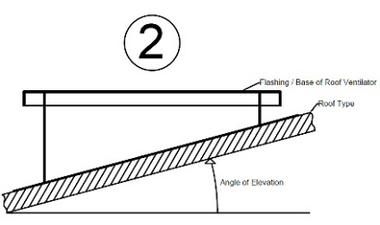

Orientation | : | Exhaust |  |  |  |  |  |  |  |  |  |  |  | Impeller |  | : | Paddle Type
 |  | ___________________________________ |  |  |  |  |  |  |  |  |  |  |  |  |  |  | _____________________________
Mounting | : | Roof Mounted |  |  |  |  |  |  |  |  |  |  |  | Drive |  | : | Belt
 |  | ___________________________________ |  |  |  |  |  |  |  |  |  |  |  |  |  |  | _____________________________
Capacity | : | 22,000 cfm @ 0.5" w.g. |  |  |  |  |  |  |  | 27,410 cfm @ 0" w.g.
 |  | _______________________________________________________________________________
Speed | : | 797 |  |  | rpm |  |  | 764 |  | rpm
 |  | _______________________________________________________________________________
Drive Motor | : | 5 | HP, | 3 | PH, | 220 |  | V, | 60 | Hz, | 4 | pole, | 1745 | rpm, | Foot Mounted |  |  |  | , | TECO | TEFC
 |  | _______________________________________________________________________________
Motor Pulley | : | 3.5 |  | "Ø x |  | 2B |  | x | 28 | mm Ø bore |  |  | x | 8 | mm keyway |  |  |  |  | 64 | mm Ø Hub
 |  | _______________________________________________________________________________
Fan Pulley | : | 8 |  | "Ø x |  | 2B |  | x | 1 1/2”Ø bore x 3/8" keyway |  |  |  |  |  |  |  |  |  |  | 75 | mm Ø Hub
 |  | _______________________________________________________________________________
Hub | : | 3”Ø x 3”L x 1 1/2”Ø bore x 3/8” keyway
 |  | _______________________________________________________________________________
Shafting | : |  | 1 1/2”Ø bore x 3/8" keyway
 |  | _______________________________________________________________________________
Belt | :
 |  | _______________________________________________________________________________
Bearing | : | UCF208 |  |  |  |  |  |  | -- | 4 | pcs
 |  | _______________________________________________________________________________
 |  |  |  |  |  |  |  |  |  |  |  |  |  |  |  |  |  | /afbm rev 2 : 03/28/2026

